Dashboard overview
 | Welcome to the Dashboard overview. It briefly presents how the dashboard looks and how we can use it to analyze the Music and Mental Health Survey.

Summary Page (screenshot 1)
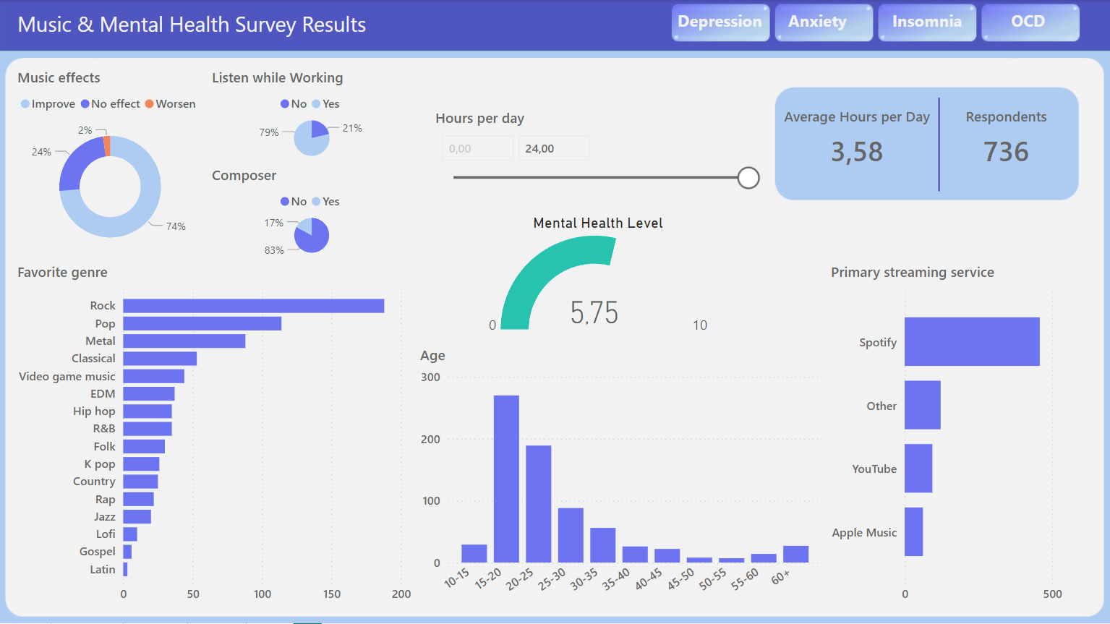

 | Here, for example, we can choose and analyze information about respondents in the 20-25 age group.

Summary Page (screenshot 2)
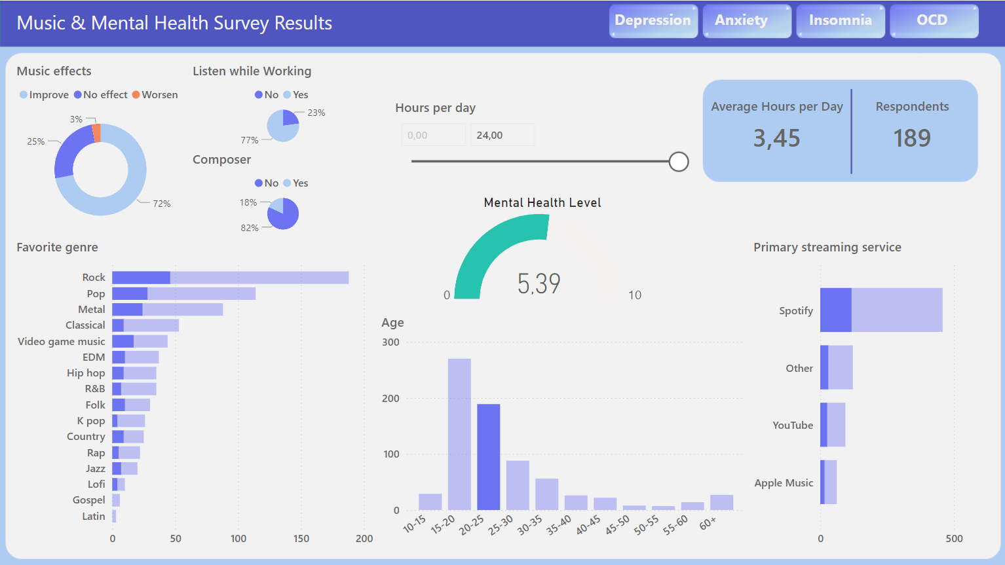

 | On the left side of the top bar, we can click a button to navigate to a page with more detailed information about each mental health issue and analyze it in various ways. Let's go to the Depression page and see how it looks. Here, we can see some new details, such as a line chart showing the correlation between depression rates and averages of other mental health problems.

Depression Page
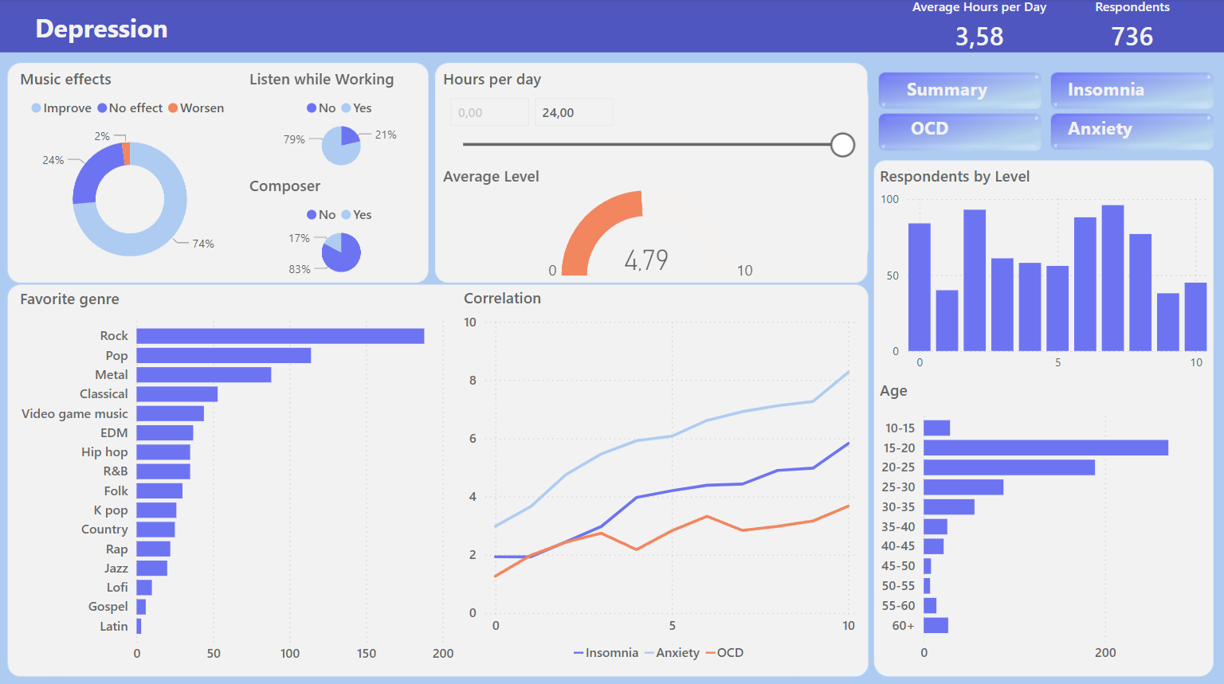

 | On the left side of this page, we can also use buttons to return to the summary page or go to the next page with information about another mental health issue. Let's look at the Insomnia page. Here, we have selected the group of respondents who rated their insomnia level as 5 on a 0 to 10 scale. This allows us to analyze interesting information about them, such as which music genres this group prefers, age group distribution, etc.

Insomnia page
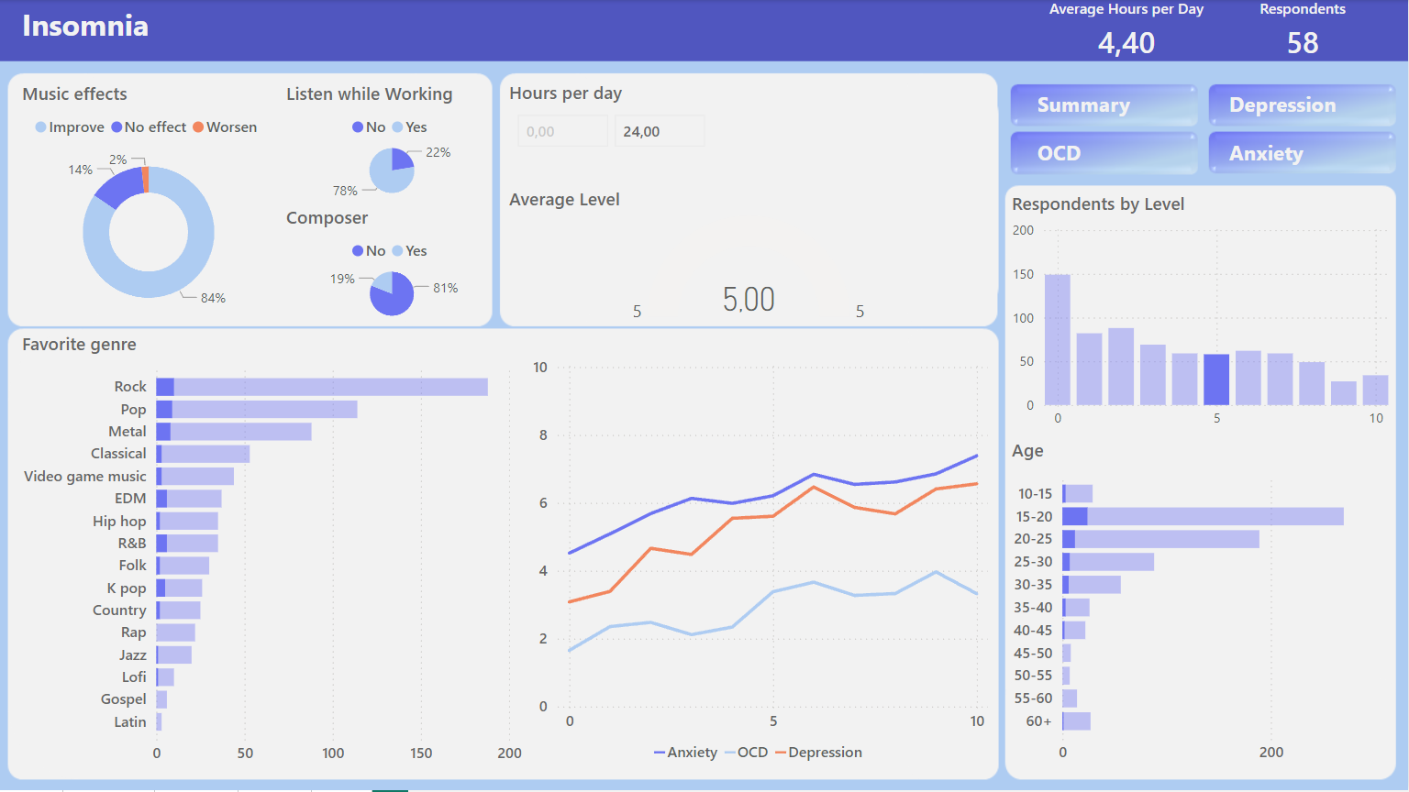

 | In the next screenshot, we can see information about people with OCD. We have selected rock and metal as their favorite genres to see if these individuals differ from the general respondents.

OCD page
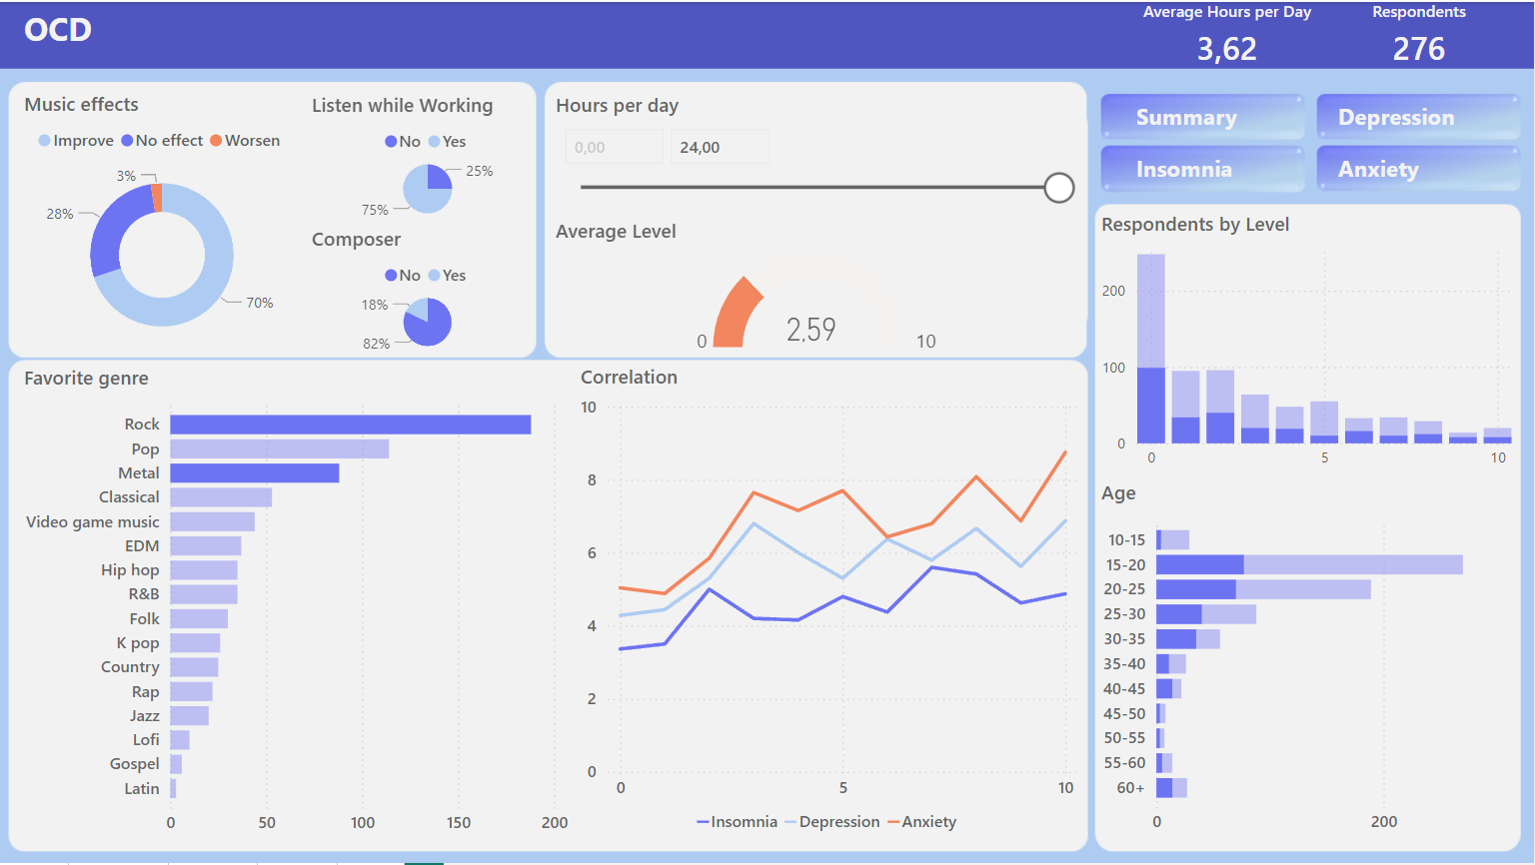

 | The last screenshot shows how the Anxiety page looks and what we can analyze on that page. We have selected a slider to display information about people who listen to music for less than 1.5 hours per day.

Anxiety page
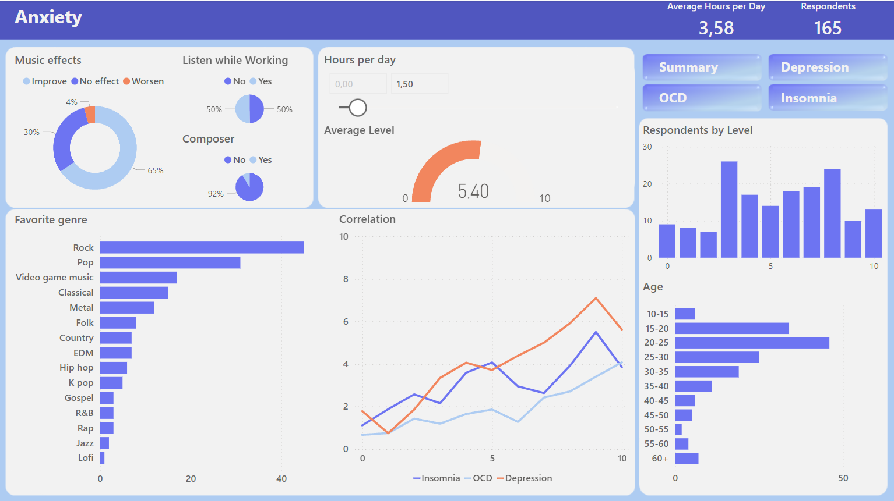

 | This brief overview presents the main features of the dashboard and shows us some options for how to use it.

 | Thank you for taking the time to explore my dashboard presentation!

